data
x_axis | y_axis
2015 | 328.81355932
2016 | 332.20338983
2017 | 332.20338983
2018 | 335.59322034
2019 | 335.59322034
2020 | 332.20338983
2021 | 335.59322034
2022 | 338.98305085
2023 | 338.98305085
2024 | 338.98305085
2025 | 342.37288136
2026 | 349.15254237
2027 | 359.3220339
2028 | 362.71186441
2029 | 372.88135593
2030 | 376.27118644
2031 | 383.05084746
2032 | 393.22033898
2033 | 396.61016949
2034 | 406.77966102
2035 | 416.94915254
2036 | 430.50847458
2037 | 444.06779661
2038 | 450.84745763
2039 | 457.62711864
2040 | 467.79661017
2041 | 477.96610169
2042 | 488.13559322
2043 | 501.69491525
2044 | 511.86440678
2045 | 511.86440678
2046 | 522.03389831
2047 | 525.42372881
2048 | 532.20338983
2049 | 535.59322034
2050 | 538.98305085
2051 | 545.76271186
2052 | 552.54237288
2053 | 559.3220339
2054 | 559.3220339
2055 | 559.3220339
2056 | 562.71186441
2057 | 562.71186441
2058 | 566.10169492
2059 | 569.49152542
2060 | 569.49152542
2061 | 569.49152542
2062 | 572.88135593
2063 | 572.88135593
2064 | 572.88135593
2065 | 569.49152542
2066 | 569.49152542
2067 | 569.49152542
2068 | 569.49152542
2069 | 569.49152542
2070 | 569.49152542
2071 | 569.49152542
2072 | 569.49152542
2073 | 562.71186441
2074 | 559.3220339
2075 | 555.93220339
2076 | 549.15254237
2077 | 549.15254237
2078 | 545.76271186
2079 | 538.98305085
2080 | 535.59322034
2081 | 528.81355932
2082 | 522.03389831
2083 | 515.25423729
2084 | 508.47457627
2085 | 501.69491525
2086 | 494.91525424
2087 | 488.13559322
2088 | 481.3559322
2089 | 474.57627119
2090 | 467.79661017
2091 | 467.79661017
2092 | 464.40677966
2093 | 461.01694915
2094 | 457.62711864
2095 | 454.23728814
2096 | 450.84745763
2097 | 447.45762712
2098 | 444.06779661

picture
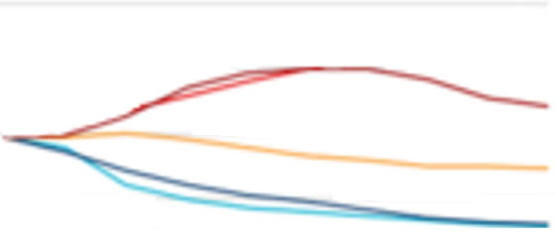

picture_original
